Sheet1
BUG REPORT
Project Name | GTPL Bank
Module Name | Employee Registration Form
Reported By | Tushar Thamke
Reported To | Rutuja Mam
Resolved By | XXX
Resolved On | MM-DD-YYYY

Defect ID | Defect Description | Method of Operation/Steps to reproduce | Defect Category | Severity | Priority | Status | Evidence
NC_1 | Employee Registration form birth date accepts future date | 1)Launch site and login via main admin 2) Go to add new employer 3) In birthdate column add future birth date example : 17/12/2023 4)Expected Result : User should get a prompt here that future birthdate should be given or calendar should block future date. 5)Actual Result: The site is acception future birthdate. Note:- The site goes back to being on refreshing the page | Add New customer | High | High | Open | 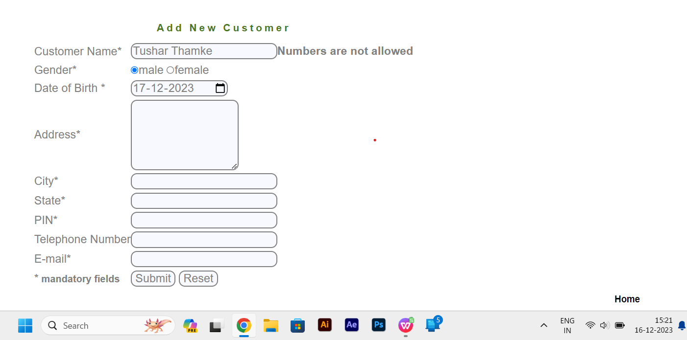
NC_2 | Employee Registration form birth date accepts not Existing date | 1)Launch site and login via main admin 2) Go to add new employer 3) In birthdate column add Not existing birth date example : 31/02/2023 4)Expected Result : User should get a prompt here that not existing birthdate should be given or calendar should block not existing date. 5)Actual Result: The site is acception not existing birthdate. Note:- The site goes back to being on refreshing the page | Add New customer | High | High | Open
NC_3 | Employee Registration form invalid city name was accepted | 1)Launch site and login via main admin 2) Go to add new employer 3) In city column invalid city was accepted example : N 4)Expected Result : User should get a prompt here that not existing City should be given or block not existing City. 5)Actual Result: The site is acception invalid city. Note:- The site goes back to being on refreshing the page | Add New customer | High | High | Open
NC_4 | Employee Registration form invalid State name was accepted | 1)Launch site and login via main admin 2) Go to add new employer 3) In State column invalid city was accepted example : M 4)Expected Result : User should get a prompt here that not existing State should be given or block not existing State. 5)Actual Result: The site is acception invalid State. Note:- The site goes back to being on refreshing the page | Add New customer | High | High | Open
NC_5 | Employee Registration form special characters allow in PIN Box | 1)Launch site and login via main admin 2) Go to add new employer 3) In PIN column special characters are allow example : 4424.0 4)Expected Result : User should get a prompt here that not existing should be given or should block not existing Pin. 5)Actual Result: The site is acception special characters in Pin column. Note:- The site goes back to being on refreshing the page | Add New customer | High | High | Open
NC_6 | Employee Registration form Overlaping issue in Telephone Number | 1)Launch site and login via main admin 2) Go to add new employer 3) in Telephone number and box was little overlap each other | Add New customer | Low | Low | Open
NC_7 | Employee Registration form special characters allow in Telephone number | 1)Launch site and login via main admin 2) Go to add new employer 3) In Telephone number column special characters are allow example : 820896449.0 4)Expected Result : User should get a prompt here that not existing should be given or should block not existing. 5)Actual Result: The site is acception special characters in Telephone number column. Note:- The site goes back to being on refreshing the page | Add New customer | High | High | Open
NC_8 | Employee Registration form Invalid Domain was allow in Email | 1)Launch site and login via main admin 2) Go to add new employer 3) In Email column invalid domain are allow example : tu@$.com 4)Expected Result : User should get a prompt here that not existing should be given or should block not existing. 5)Actual Result: The site is acception invalid domain . Note:- The site goes back to being on refreshing the page | Add New customer | High | High | Open
ANC_001 | Customer ID form Scacial caractere will allow | 1)Launch site and login via main admin 2) Go to add Account 3) In Customer ID field Spacial caractere are allow example : hj4554#$ 4)Expected Result : User should get a prompt here that not existing should be given or should block not existing. 5)Actual Result: The site is acception Scacial caractere and do not notify | Add new Account | High | Mediam | Open
ANC_002 | Initial Deposit allow Alphabet and sepcial caractere | 1)Launch site and login via main admin 2) Go to add Account 3) In Inital Deposit field Alphabet & Spacial caractere are allow example : ahsj*(&( 4)Expected Result : User should get a prompt here that not existing should be given or should block not existing. 5)Actual Result: The site is acception Alphabet & Scacial caractere and do not notify | Add new Account | High | High | Open
ANC_003 | Customized Statement form date accepts future date | 1)Launch site and login via main admin 2) Go to add new employer 3) In From & To column add future date example : 25-12-2023 / 06-01-2024 4)Expected Result : User should get a prompt here that future birthdate should be given or calendar should block future date. 5)Actual Result: The site is acception future date. | Add new Account | High | High | Open
ANC_004 | Customized Statement form Not existing date are allow | 1)Launch site and login via main admin 2) Go to add new employer 3) In From & To column add un existing date example : 31-02-2023 / 31-02-2024 4)Expected Result : User should get a prompt here that future birthdate should be given or calendar should block future date. 5)Actual Result: The site is acception future date. | Add new Account | High | High | Open
CS_001 | Customize Amount Limit allow alphabet & Spacial caracter | 1)Launch site and login via main admin 2) Go to add new employer 3) InAmount Lower Limit column add Alphabet & Spacial Catacter example : 8788jhjhb% 4)Expected Result : User should get a prompt here that future birthdate should be given or calendar should block future date. 5)Actual Result: The site is acception Alphabet & Spacial Caractere | Customize Statement | High | High | Open
NT_001 | Number of Transaction allow alphabet & Spacial caracter | 1)Launch site and login via main admin 2) Go to add new employer 3) InNumber Of Transaction column add Alphabet & Spacial Catacter example : hghka&% 4)Expected Result : User should get a prompt here that future birthdate should be given or calendar should block future date. 5)Actual Result: The site is acception Alphabet & Spacial Caractere | Number of Transaction | High | High | Open

